Sheet1
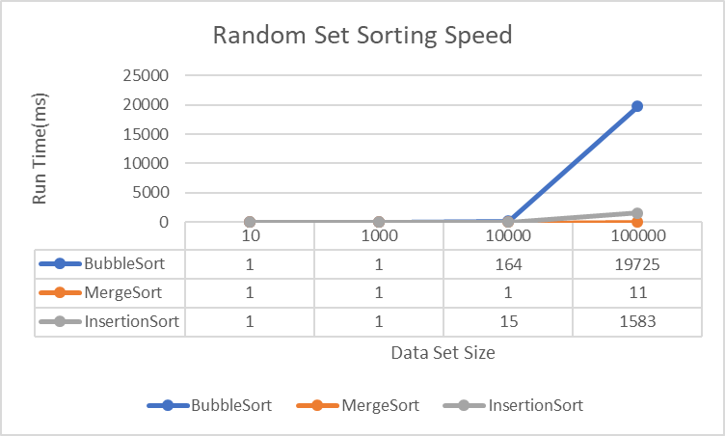
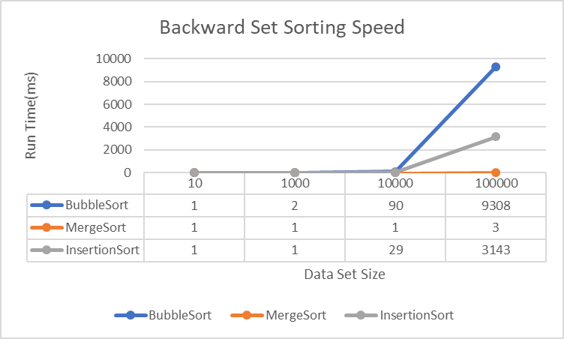

30% Randomized Set Sorting Speed
Random Set Sorting Speed
 | 10 | 1000 | 10000 | 100000
BubbleSort | 1 | 1 | 46 | 6895
MergeSort | 1 | 1 | 1 | 6
InsertionSort | 1 | 1 | 5 | 306

